Use Case List and Diagram
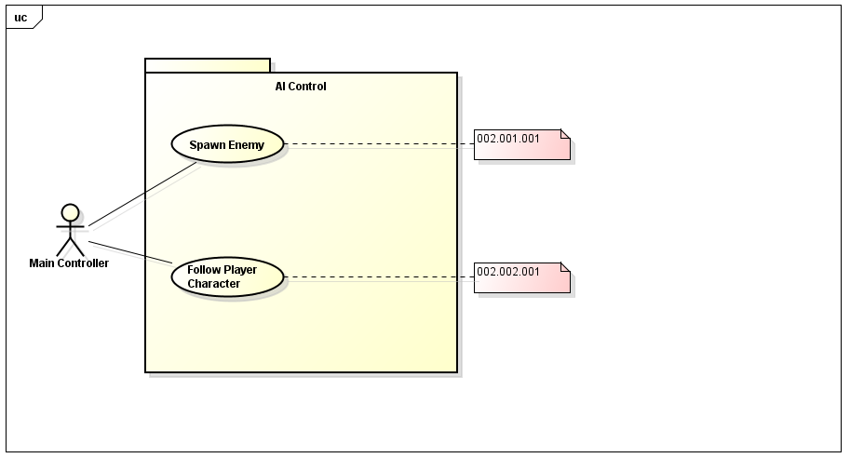
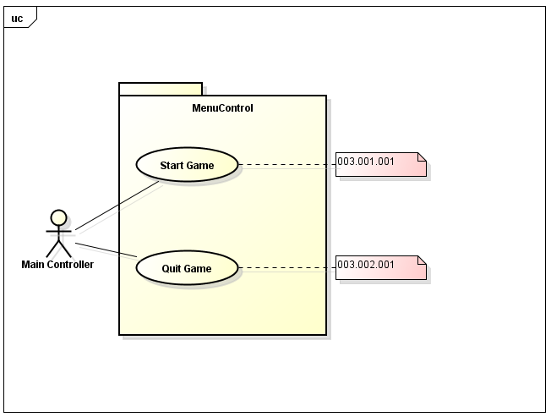
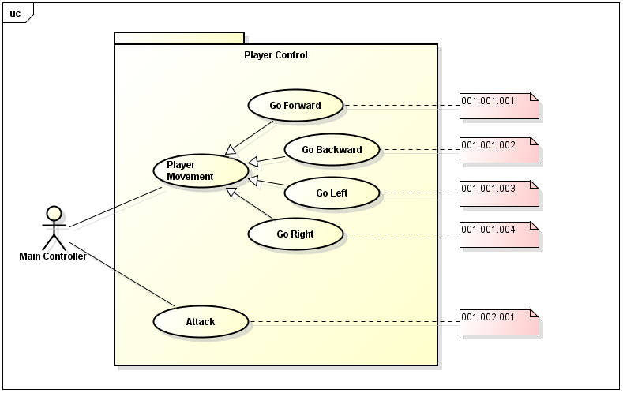
Use Case List

Use Case ID | Name | Description
1.1.1 | Go forward | Make the Player Character move forward
1.1.2 | Go backward | Make the Player Character move backward
1.1.3 | Go left | Make the Player Character move left
1.1.4 | Go right | Make the Player Character move right
1.2 | Attack | Make the Player Character attack
2.1 | Spawn Enemy | Spawns enemies to attack the Player Character
2.2 | Follow Player Character | Make enemies follow Player Character
3.1 | Start Game | Starts the game session
3.2 | Quit Game | Ends and exits the game

Use Case Models

